Table 1
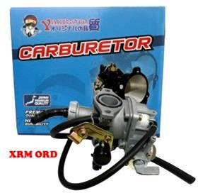
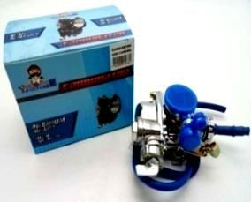
CARBURATOR ASSY |  |  | 99
 |  | 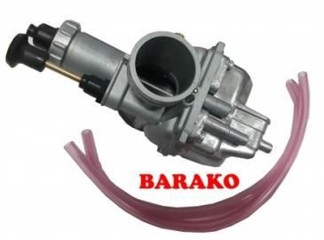 | 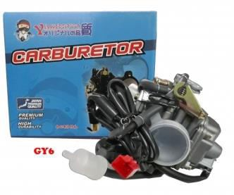
#99CA1 | #99CA2 | #99CA3 | #99CA4
CARBURATOR ASSY | CARBURATOR ASSY | CARBURATOR ASSY | CARBURATOR ASSY
FOR: XRM 550 | FOR: XRM CHROME | FOR: BARAKO 920 | FOR: GY6 1080
170000000214 | 170000001076 672.73 | 170000000217 | 170000000218
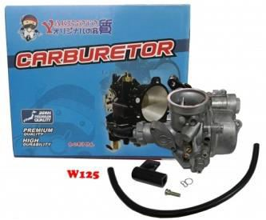
#99CA5 CARBURATOR ASSY FOR: W125/XRM125 740 170000000213
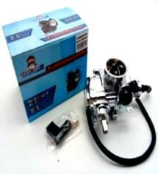
#99CA6 CARBURATOR ASSY FOR: W125 CHROME 170000000891 763.63
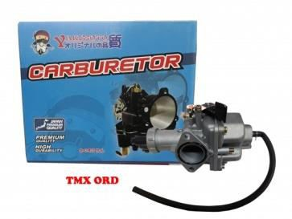
#99CA7 CARBURATOR ASSY FOR: TMX 520 170000000220
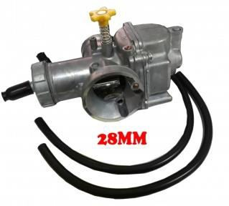
#99CA8 CARBURATOR ASSY FOR: 28MM 660 170000000216
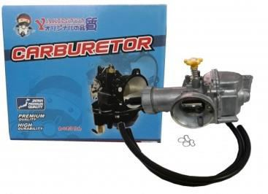
#99CA9 CARBURATOR ASSY FOR: 30MM 740 170000000211
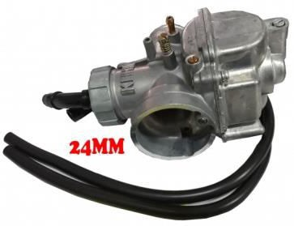
#99CA10 CARBURATOR ASSY FOR: 24MM 640 170000000215
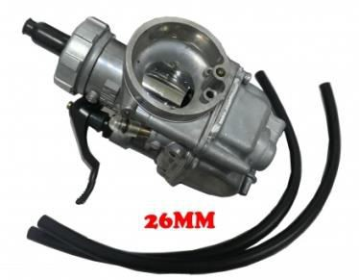
#99CA11 CARBURATOR ASSY FOR: 26MM 700 170000000221

#99CA12 CARBURATOR ASSY FOR: TMX CHROME 170000000523 654.60

#99CA13 CARBURATOR ASSY FOR: R150 1900 180000002944

#99CA14 CARBURATOR ASSY FOR: MIO 1100 180000003010

#99CA15 CARBURATOR ASSY FOR: SHOGUN125 860 180000003052
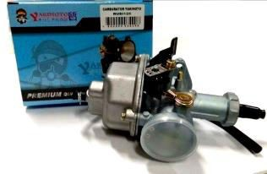
#99CA16 CARBURATOR ASSY FOR: RUSI125 560 180000003420

Table 2
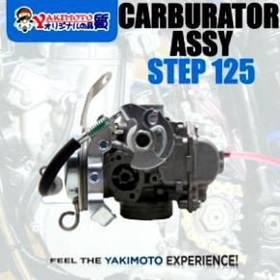
#99CA17 CARBURATOR ASSY FOR: STEP125 594 200000005923

#99CA18 CARBURATOR ASSY FOR: XL125/CG125 210000007427 570

#99CA19 CARBURATOR ASSY FOR: BEAT 220000007524 1760

#99CA20 CARBURATOR ASSY FOR: SKYDRIVE 220000007525 2100

#99CA21 CARBURATOR ASSY FOR:TMX SUPREMO 220000007526 1900

#99CA22 CARBURATOR ASSY FOR: ROUSER135 220000007527 1375

#99CA23 CARBURATOR ASSY FOR: YAMAHA YTX125 220000007945 2400

#99CA24 CARBURATOR ASSY FOR: WAVE100 220000008842 709.10

Table 3
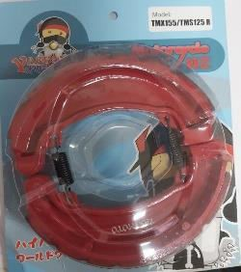
BRAKE SHOE PREMIUM RED 100

#100BSPR1 BRAKE SHOE PREMIUM RED 112.73 FOR:XRM 230000009345 | #100BSPR2 BRAKE SHOE PREMIUM RED 145.46 FOR:TMX155/TMX125 (R) 230000009346
SPINDLE 10

#101S1 SPINDLE FOR: XRM 100 180000001375

Table 11
#116HS1 |  |  | #116HS2 | #116HS3 |  | #116HS4
HANDLE SWITCH FOR: DREAM SET |  | 420 | HANDLE SWITCH FOR: RUSI125 SET SILVER | HANDLE SWITCH FOR: CT100 SET | 400 | HANDLE SWITCH FOR: BARAKO SET 480
170000000452 |  |  | 170000000524 350 | 170000000564 |  | 170000000565

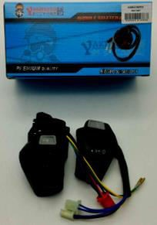
#116HS7 HANDLE SWITCH FOR: TMX KICK SET 180000001517 475.20

#116HS5 HANDLE SWITCH FOR: MIO SET 283.58 180000001888

#116HS6
HANDLE SWITCH
FOR: R150 SET | 426
170000000751

#116HS8 HANDLE SWITCH FOR: RS100 SET 180000002514

#116HS11 HANDLE SWITCH 340 FOR: RUSI125 SET BLACK 180000003053

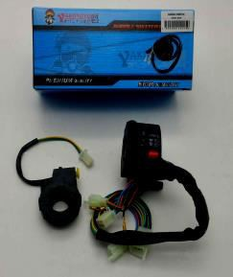
#116HS12 HANDLE SWITCH FOR: RUSI150 SET 440 180000003361

#116HS9 HANDLE SWITCH FOR: XRM110/XRM125 SET 180000002225 286

HANDLE SWITCH
116

#116HS13 HANDLE SWITCH FOR: TMX-ELECTRONIC SET 190000005428 475.20

Table 12
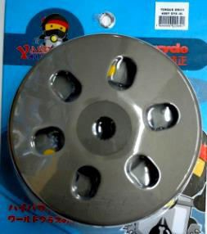
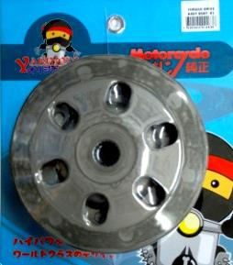
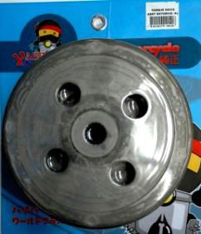
TORQUE DRIVE ASSY 117
 | 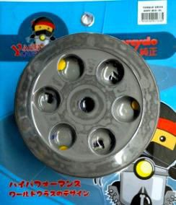
# 117TDA1 |  | # 117TDA2 | # 117TDA3 | # 117TDA4
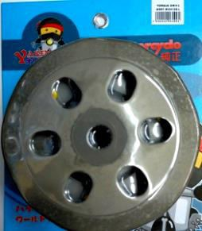
TORQUE DRIVE FOR: MIO ASSY 1300 180000002233 |  | TORQUE DRIVE FOR: GY6 ASSY 1700 180000002234 | TORQUE DRIVE FOR: BEAT ASSY 1500 180000002463 | TORQUE DRIVE FOR: SKYDRIVE ASSY 180000002942 1700

# 117TDA5 TORQUE DRIVE ASSY FOR: MIOi125 1800 200000006499

# 117TDA6 TORQUE DRIVE ASSY FOR: NMAX 2300 210000007167

# 117TDA7 TORQUE DRIVE ASSY FOR: CLICK150 (K35) 220000008499 1980

# 117TDA8 TORQUE DRIVE ASSY FOR: CLICK125 KZR 210000007231 1909.09
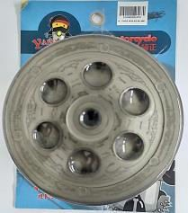
# 117TDA9 TORQUE DRIVE ASSY FOR: MIO MXi |  | # 117TDA10 TORQUE DRIVE ASSY FOR: BEAT Fi
920000006032 |  | 910000004547
SPACER |  |  |  | 118

# 118S1 SPACER FOR: XRM 56 |  | # 118S2 SPACER 62.4 FOR: XRM FRONT HUB | # 118S3 SPACER 71 FOR: XRM REAR HUB | # 118S4 SPACER 66.4 FOR: XRM FRONT HUB SIDE
 |  | 12*18*45 | 12x18x55
180000002592 |  | 981100006843 | 980000000413 | 980000000414

# 118S5 SPACER 72.8 FOR: XRM REAR HUB SIDE 12x26x26 980000000415

Table 14
BRAKE ROD 120

# 120BR1 |  |  |  | # 120BR2 |  |  | # 120BR3 |  | # 120BR4
BRAKE ROD |  |  |  | BRAKE ROD |  |  | BRAKE ROD |  | BRAKE ROD
FOR: CT100 36 |  |  |  | FOR: FURY 36 |  |  | FOR: HD3 36 |  | FOR: RS100 36
170000000568 |  |  |  | 170000000569 |  |  | 170000000570 |  | 170000000571

# 120BR5 |  |  |  | # 120BR6
BRAKE ROD FOR: W100 |  | 36 |  | BRAKE ROD FOR: XRM 36
170000000572 |  |  |  | 210000007096
RUBBER DU |  |  |  | 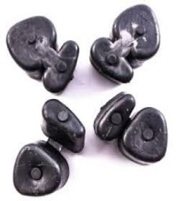 MPER |  | 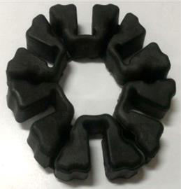 |  |  | 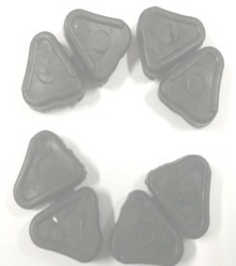 | 121
# 121RD1 RUBBER DUMPER |  |  | # 121RD2 RUBBER DUMPER |  | # 121RD3 RUBBER DUMPER |  |  | # 121RD4 RUBBER DUMPER
FOR: XRM 110 34 |  |  | FOR: XRM 125 52 |  | FOR: BARAKO 60 |  |  | FOR: W125 32
180000001437 |  |  | 180000001516 |  | 180000002601 |  |  | 170000000383
 | 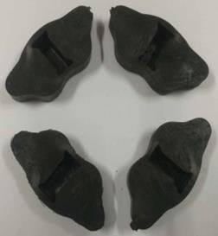

# 121RD8 RUBBER DUMPER FOR: FURY 32 170000000387

# 121RD5 RUBBER DUMPER FOR: CT100 32 180000001437
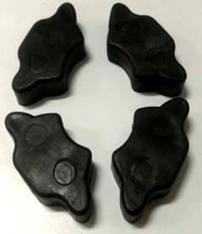
# 121RD6 RUBBER DUMPER FOR: HD3 60 170000000385
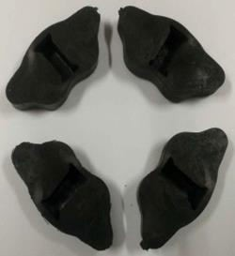
# 121RD7 RUBBER DUMPER FOR: RS100 32 170000000386

Table 15
# 122KB7 KNUCKLE BEARING FOR: MIO 100 170000000480

# 122KB5 KNUCKLE BEARING FOR: CT100 100 170000000481

# 122KB6 KNUCKLE BEARING FOR: BARAKO 100 170000000472

# 122KB8 KNUCKLE BEARING FOR: RAIDER J 100 170000000476

# 122KB11 KNUCKLE BEARING FOR: W100 100 170000000474

# 122KB12 KNUCKLE BEARING FOR: W110 100 170000000475

# 122KB9 KNUCKLE BEARING FOR: SMASH 100 170000000521

# 122KB10 KNUCKLE BEARING FOR: C100 100 180000002138

# 122KB15 KNUCKLE BEARING FOR: SHOGUN 100 170000000482

# 122KB16 KNUCKLE BEARING FOR: SNIPER135 100 180000003455

# 122KB14 KNUCKLE BEARING FOR: RS100 100 170000000471

# 122KB3 KNUCKLE BEARING FOR: W125 100
180000002139
# 122KB4 KNUCKLE BEARING FOR: R150 100
170000000478
# 122KB2
KNUCKLE BEARING FOR: TMX 76
170000000470
# 122KB1
KNUCKLE BEARING FOR: XRM 100
170000000477
122
KNUCKLE BEARING
# 121RD10 RUBBER DUMPER FOR: C100 32
170000000384
# 121RD11 RUBBER DUMPER FOR: LF110 32
180000003080
# 121RD9 RUBBER DUMPER
FOR: SMASH 38
170000000388
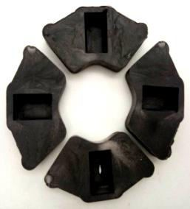 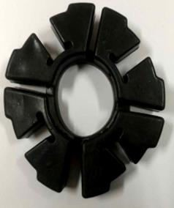

# 122KB13 KNUCKLE BEARING FOR: X4 90 170000000473

